Intro
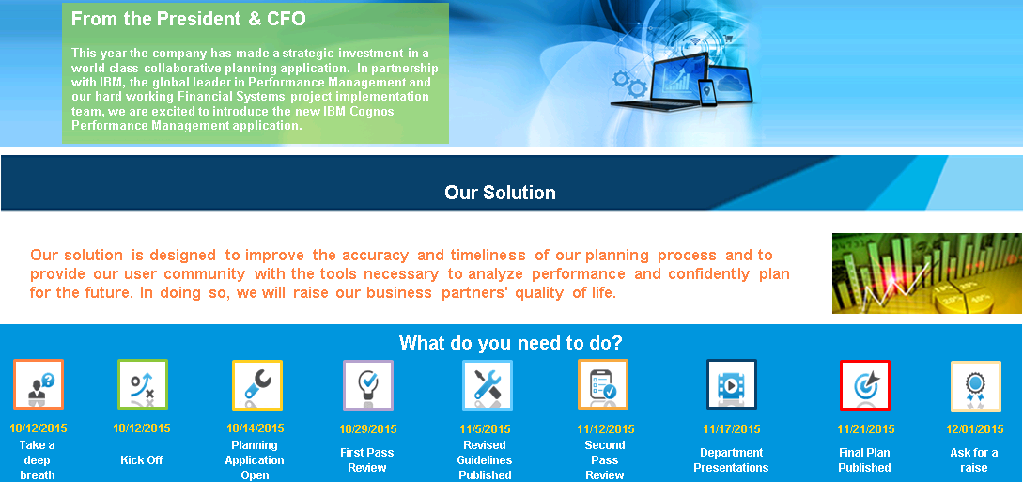

Our Solution

Status
Task Status |  | Metrics Status
7 | 5 |  | Target 2015 | Budget 2015 | Variance
 |  | Gross Margin | 9,300 | 3,115,488 | 3,106,188
Tasks Completed | Tasks Remaining | 6099 PAYROLL |  | 605,593 | #VALUE!
 |  | 6499 MARKETING |  | 141,615 | #VALUE!
 |  | 6599 DEPRECIATION |  | 87,500 | #VALUE!
 |  | Net Profit | 9,300 | 1,848,558 | 1,839,258

 |  | # Incomplete Metrics | #VALUE!

Tasks Completed | 7
Tasks Remaining | 5

